drive calculator
LIPIDICO DEVICE CALCULATOR: lipid speed, volume flow rate, motor speed

Hamilton syringe bore size | 1.46 | mm
device/syringe dead volume | 4.5 | µL
needle bore diameter | 110 | µm | reference figures
needle outside diameter | 210 | µm
lipid volume in syringe | 26 | µL | critical input figures
lipid stream diameter | 110 | µm
 |  |  | resultant figures
volume flow rate target | 8.0 | nL/s
required motor speed | 209 | rpm
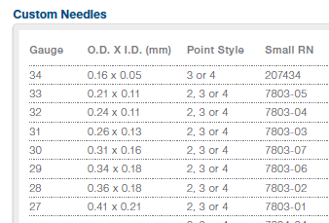
lipid stream velocity | 842 | µm/s
lipid extrusion duration | 0 | hours
 | 45 | minutes

lipid stream velocity target | 5000 | µm/s
required motor speed | 1239 | rpm
lipid volume flow rate | 47.5 | nL/s
lipid extrusion duration | 0 | hours
 | 8 | minutes

motor speed input | 1000 | rpm
lipid volume flow rate | 38.4 | nL/s
lipid stream velocity | 4036 | µm/s
lipid extrusion duration | 0 | hours
 | 9 | minutes
 | STREAM VELOCITY [µm/s] | MOTOR SPEED [RPM]
1 | 105 | 26
1.5 | 158 | 39
2 | 210 | 52
2.5 | 263 | 65
3 | 316 | 78
3.5 | 368 | 91
4 | 421 | 104
4.5 | 474 | 117
5 | 526 | 130
5.5 | 579 | 143
6 | 631 | 156
6.5 | 684 | 169
7 | 737 | 183
7.5 | 789 | 196
8 | 842 | 209
8.5 | 894 | 222
9 | 947 | 235
9.5 | 1000 | 248
10 | 1052 | 261
10.5 | 1105 | 274
11 | 1157 | 287
11.5 | 1210 | 300
12 | 1263 | 313
12.5 | 1315 | 326

Graph showinig motor speed v's flow rate

